Sheet1
Force Calculation
Efficiency of system | 80%
Lever Arm | 5.5 | in |  | Pitch | Input (teeth) | Input (diameter) | Output (teeth) | Output (diameter) | Reduction
Force Required | 30 | lbs | Gear Reduction #1 | 32 | 12 | 0.375 | 128 | 4 | 10.666666667
Required Torqued | 2640 | oz*in | Gear Reduction #2 | 16 | 12 | 0.75 | 72 | 4.5 | 6.00
Number of motors | 2 |  |  |  |  |  |  | Total: | 64
Gear Reduction | 64
Motor Torque required | 25.78 | oz*in | Motor Selection
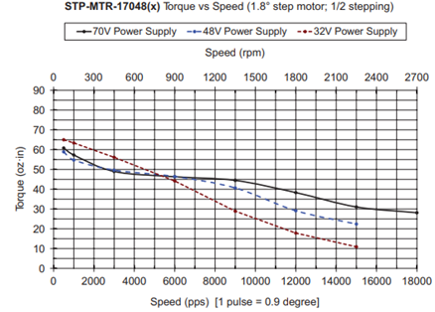
RPM (selected by team) | 175 | rpm
RPM of Lever Arm | 2.734375 | rpm
Revutions required of lever, for full compression | 30 | degrees
Dwell at full compression (guess) | 0.5 | seconds
Time for complete cycle | 11.471428571 | seconds

Cycles per minute | 5.2303860523

